Level 3 Guest (1-100MB)
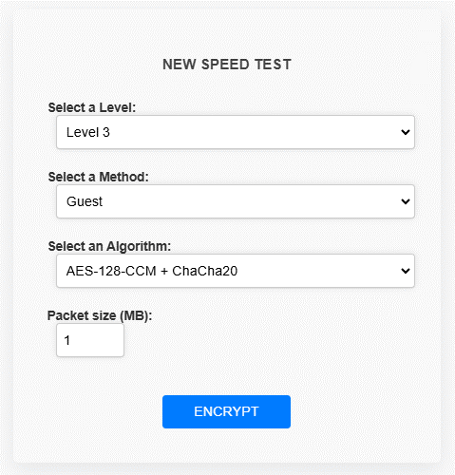

Guest(AES-128-CTR) - 100 packets

Encryption time(s) | Packet Size(MB) | Decryption time(s) | Packet Size(MB)
0 | 1 | 0.021282911301 | 1
0.016295909882 | 5 | 0.022315979004 | 5
0.033173561096 | 10 | 0.031309843063 | 10
0.050488948822 | 15 | 0.032073020935 | 15
0.081573486328 | 20 | 0.060059785843 | 20
0.071824073792 | 25 | 0.065123319626 | 25
0.090265750885 | 30 | 0.072009325027 | 30
0.10499477386 | 35 | 0.08155632019 | 35
0.11919426918 | 40 | 0.081195116043 | 40
0.1226131916 | 45 | 0.098586797714 | 45
0.13190937042 | 50 | 0.11007118225 | 50
0.13354611397 | 55 | 0.11586093903 | 55
0.15285038948 | 60 | 0.12933492661 | 60
0.16212105751 | 65 | 0.1558072567 | 65
0.21223211288 | 70 | 0.14814925194 | 70
0.18926262856 | 75 | 0.16238689423 | 75
0.18942952156 | 80 | 0.15093803406 | 80
0.19716286659 | 85 | 0.15659117699 | 85
0.21322751045 | 90 | 0.18090224266 | 90
0.2094476223 | 95 | 0.21040987968 | 95
0.23271727562 | 100 | 0.2469124794 | 100

Level 3 Basic (1-100MB)


Baisc(AES-128-CTR + ChaCha20) - 100 packets

Encryption time(s) | Packet Size(MB) | Decryption time(s) | Packet Size(MB)
0.0254778862 | 1 | 0.027671575546 | 1
0.05526638031 | 5 | 0.050097227097 | 5
0.10752487183 | 10 | 0.083023071289 | 10
0.17139220238 | 15 | 0.12149906158 | 15
0.18954014778 | 20 | 0.16182494164 | 20
0.21532297134 | 25 | 0.20307445526 | 25
0.28894734383 | 30 | 0.23300981522 | 30
0.32356119156 | 35 | 0.26398730278 | 35
0.39086437225 | 40 | 0.30763697624 | 40
0.41490530968 | 45 | 0.3331155777 | 45
0.41545057297 | 50 | 0.43843340874 | 50
0.48304748535 | 55 | 0.45005559921 | 55
0.49859070778 | 60 | 0.49681806564 | 60
0.53073716164 | 65 | 0.55206418037 | 65
0.59296798706 | 70 | 0.61322021484 | 70
0.63558125496 | 75 | 0.63405513763 | 75
0.64945864677 | 80 | 0.75041937828 | 80
0.69591450691 | 85 | 0.64292192459 | 85
0.696839571 | 90 | 0.70732927322 | 90
0.73787856102 | 95 | 0.73292326927 | 95
0.8237798214 | 100 | 0.83529472351 | 100

Basic (3. AES-192-CTR + Blowfish ) - 100 packets

Encryption time(s) | Packet Size(KB) | Decryption time(s) | Packet Size(KB)
0.019961833954 | 1 | 0.038321495056 | 1
0.096175193787 | 5 | 0.09991812706 | 5
0.19769215584 | 10 | 0.16689395905 | 10
0.27860403061 | 15 | 0.24355459213 | 15
0.39215970039 | 20 | 0.30836105347 | 20
0.43072867393 | 25 | 0.39986753464 | 25
0.50359654427 | 30 | 0.44783377647 | 30
0.62189292908 | 35 | 0.54634237289 | 35
0.68779850006 | 40 | 0.63551235199 | 40
0.78566360474 | 45 | 0.84310030937 | 45
0.85943222046 | 50 | 0.79709172249 | 50
1.0071320534 | 55 | 0.97290062904 | 55
1.0104129314 | 60 | 0.940513134 | 60
1.2010157108 | 65 | 1.0628111362 | 65
1.1699924469 | 70 | 1.1344339848 | 70
1.3716328144 | 75 | 1.2830610275 | 75
1.3272435665 | 80 | 1.2704467773 | 80
1.3909516335 | 85 | 1.467641592 | 85
1.5001752377 | 90 | 1.426500082 | 90
1.618481636 | 95 | 1.6196005344 | 95
1.6622445583 | 100 | 1.5879161358 | 100

Level 3 Advanced (1-100MB)
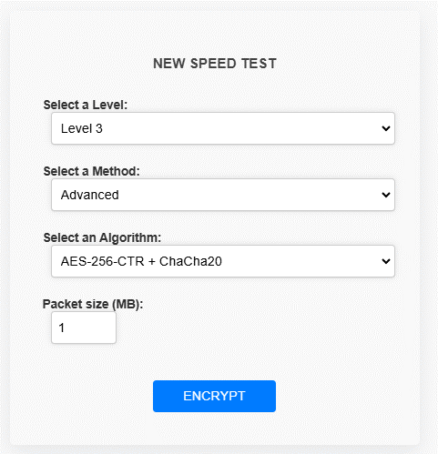

Advanced( AES-256-CTR + ChaCha20) - 100 packets

Encryption time(s) | Packet Size(MB) | Decryption time(s) | Packet Size(MB)
0.015169858932 | 1 | 0.0098867416382 | 1
0.062408685684 | 5 | 0.056008815765 | 5
0.11078166962 | 10 | 0.097589492798 | 10
0.15920948982 | 15 | 0.14840292931 | 15
0.2093026638 | 20 | 0.15398192406 | 20
0.23051428795 | 25 | 0.18987417221 | 25
0.28214454651 | 30 | 0.25832366943 | 30
0.56972336769 | 35 | 0.41881346703 | 35
0.34261703491 | 40 | 0.32828593254 | 40
0.39243030548 | 45 | 0.35701584816 | 45
0.4071559906 | 50 | 0.39397954941 | 50
0.46940779686 | 55 | 0.42854762077 | 55
0.51464152336 | 60 | 0.50239729881 | 60
0.54476380348 | 65 | 0.5329105854 | 65
0.64080572128 | 70 | 0.68462467194 | 70
0.61358118057 | 75 | 0.60392618179 | 75
0.64017391205 | 80 | 0.72623062134 | 80
0.64934706688 | 85 | 0.67377257347 | 85
0.72061347961 | 90 | 0.81707930565 | 90
0.76426815987 | 95 | 0.7700920105 | 95
0.85365581512 | 100 | 0.86285877228 | 100

Advanced (AES-128-CTR + Blowfish + ChaCha20) - 100 packets

Encryption time(s) | Packet Size(MB) | Decryption time(s) | Packet Size(MB)
0.03789973259 | 1 | 0.031913280487 | 1
0.15232348442 | 5 | 0.11269855499 | 5
0.2519569397 | 10 | 0.22340226173 | 10
0.36206364632 | 15 | 0.36154174805 | 15
0.4777135849 | 20 | 0.51748371124 | 20
0.61319804192 | 25 | 0.63064670563 | 25
0.6976776123 | 30 | 0.73419165611 | 30
0.85970711708 | 35 | 0.75253105164 | 35
0.95681500435 | 40 | 0.8539583683 | 40
1.1220753193 | 45 | 1.0278837681 | 45
1.1169595718 | 50 | 1.080530405 | 50
1.3777799606 | 55 | 1.2475421429 | 55
1.4683532715 | 60 | 1.2578425407 | 60
1.5092976093 | 65 | 1.4036970139 | 65
1.6739573479 | 70 | 1.6319484711 | 70
1.7061412334 | 75 | 1.6409652233 | 75
1.8640220165 | 80 | 1.7039005756 | 80
1.9871203899 | 85 | 1.8080859184 | 85
2.0985617638 | 90 | 1.8938610554 | 90
2.1295039654 | 95 | 1.9483950138 | 95
2.2370884418 | 100 | 2.067350626 | 100

Advanced ( AES-192-CTR + ChaCha20 + ECC (Curve25519) )

Encryption time(s) | Packet Size(MB) | Decryption time(s) | Packet Size(MB)
0.019948482513 | 1 | 0.021940946579 | 1
0.08635020256 | 5 | 0.10172796249 | 5
0.16456055641 | 10 | 0.11668562889 | 10
0.20699262619 | 15 | 0.16653895378 | 15
0.27235865593 | 20 | 0.22440195084 | 20
0.38546037674 | 25 | 0.29118704796 | 25
0.36194086075 | 30 | 0.34208369255 | 30
0.43769788742 | 35 | 0.43109798431 | 35
0.47148513794 | 40 | 0.48821377754 | 40
0.54518318176 | 45 | 0.60890626907 | 45
0.58095812798 | 50 | 0.58215022087 | 50
0.63260126114 | 55 | 0.64826750755 | 55
0.67976093292 | 60 | 0.68074297905 | 60
0.74576640129 | 65 | 0.76382279396 | 65
0.82281160355 | 70 | 0.78096389771 | 70
0.91045236588 | 75 | 0.84520554543 | 75
0.93938994408 | 80 | 0.87878870964 | 80
0.94977378845 | 85 | 0.92127919197 | 85
1.1725921631 | 90 | 1.0384860039 | 90
1.2060809135 | 95 | 1.1215245724 | 95
1.1762320995 | 100 | 1.0727889538 | 100

Level 3 Admin (1-100MB)
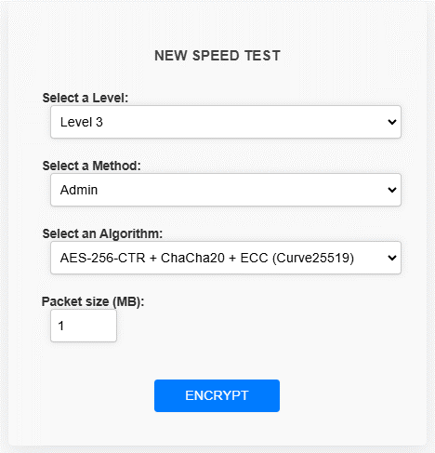

Admin(AES-256-CTR + ChaCha20 + ECC (Curve25519)) - 100 packets

Encryption time(s) | Packet Size(MB) | Decryption time(s) | Packet Size(MB)
0.010199308395 | 1 | 0.011223077774 | 1
0.05409526825 | 5 | 0.065400123596 | 5
0.081352472305 | 10 | 0.11644887924 | 10
0.14306521416 | 15 | 0.16130042076 | 15
0.16361427307 | 20 | 0.21531772614 | 20
0.22035193443 | 25 | 0.26064968109 | 25
0.25327467918 | 30 | 0.37691283226 | 30
0.31524801254 | 35 | 0.51722192764 | 35
0.34837412834 | 40 | 0.49378323555 | 40
0.35815286636 | 45 | 0.53638148308 | 45
0.48272514343 | 50 | 0.54028725624 | 50
0.4412021637 | 55 | 0.58630347252 | 55
0.48324489594 | 60 | 0.66179823875 | 60
0.6500275135 | 65 | 0.72264075279 | 65
0.62341666222 | 70 | 0.81298589706 | 70
0.59996557236 | 75 | 0.86849141121 | 75
0.63888454437 | 80 | 0.84986329079 | 80
0.67016339302 | 85 | 1.0177631378 | 85
0.70269179344 | 90 | 0.96169662476 | 90
0.77571868896 | 95 | 1.0890972614 | 95
0.824436903 | 100 | 1.193508625 | 100

Admin (AES-128-CTR + Blowfish ) - 100 packets

Encryption time(s) | Packet Size(MB) | Decryption time(s) | Packet Size(MB)
0.016027927399 | 1 | 0.023226261139 | 1
0.09586596489 | 5 | 0.087618589401 | 5
0.21967840195 | 10 | 0.15670990944 | 10
0.29218101501 | 15 | 0.2296025753 | 15
0.35387992859 | 20 | 0.30068182945 | 20
0.44992780685 | 25 | 0.44406509399 | 25
0.52966356277 | 30 | 0.53865289688 | 30
0.60150384903 | 35 | 0.54624128342 | 35
0.72491550446 | 40 | 0.70566344261 | 40
0.7737262249 | 45 | 0.6729195118 | 45
0.87293934822 | 50 | 0.78928399086 | 50
0.93982124329 | 55 | 0.9533662796 | 55
0.99905204773 | 60 | 0.91710138321 | 60
1.0801756382 | 65 | 1.1076481342 | 65
1.1660366058 | 70 | 1.0924770832 | 70
1.2780256271 | 75 | 1.2680180073 | 75
1.3016870022 | 80 | 1.2208271027 | 80
1.4266397953 | 85 | 1.3452920914 | 85
1.5467090607 | 90 | 1.4394695759 | 90
1.5889823437 | 95 | 1.5241873264 | 95
1.6901450157 | 100 | 1.6849079132 | 100

Admin (AES-256-CTR + Blowfish )

Encryption time(s) | Packet Size(MB) | Decryption time(s) | Packet Size(MB)
0.020096302032 | 1 | 0.022136211395 | 1
0.096338510513 | 5 | 0.087393045425 | 5
0.1894094944 | 10 | 0.15835523605 | 10
0.28437376022 | 15 | 0.23344039917 | 15
0.37150526047 | 20 | 0.32241678238 | 20
0.45829916 | 25 | 0.41230106354 | 25
0.52171635628 | 30 | 0.48735713959 | 30
0.65303277969 | 35 | 0.56749200821 | 35
0.6918451786 | 40 | 0.65660452843 | 40
0.79465270042 | 45 | 0.77806138992 | 45
0.92041730881 | 50 | 0.82161331177 | 50
1.1462893486 | 55 | 1.0493311882 | 55
1.0431773663 | 60 | 1.1825082302 | 60
1.1139535904 | 65 | 1.132586956 | 65
1.214117527 | 70 | 1.1930150986 | 70
1.3132910728 | 75 | 1.2409904003 | 75
1.448381424 | 80 | 1.3330886364 | 80
1.5657935143 | 85 | 1.5422151089 | 85
1.6268434525 | 90 | 1.5833847523 | 90
1.6129796505 | 95 | 1.5748305321 | 95
1.6969335079 | 100 | 1.7037074566 | 100

Admin (AES-128-CTR + Blowfish + ChaCha20 + ECC (Curve25519)) - 100 packets

Encryption time(s) | Packet Size(KB) | Decryption time(s) | Packet Size(KB)
0.03802728653 | 1 | 0.027927875519 | 1
0.18792462349 | 5 | 0.14927983284 | 5
0.29171729088 | 10 | 0.24316930771 | 10
0.43957257271 | 15 | 0.36936116219 | 15
0.55548238754 | 20 | 0.51128458977 | 20
0.68985748291 | 25 | 0.63113069534 | 25
0.86503982544 | 30 | 0.86262798309 | 30
0.95717525482 | 35 | 0.94019627571 | 35
1.0647199154 | 40 | 1.1034290791 | 40
1.2209529877 | 45 | 1.1769387722 | 45
1.343360424 | 50 | 1.3973326683 | 50
1.4987504482 | 55 | 1.4894852638 | 55
1.6034023762 | 60 | 1.6187989712 | 60
1.6817889214 | 65 | 1.8601510525 | 65
1.8476989269 | 70 | 1.8165709972 | 70
1.9858880043 | 75 | 1.8738427162 | 75
2.1568744183 | 80 | 2.1508862972 | 80
2.2454731464 | 85 | 2.2977514267 | 85
2.3441112041 | 90 | 2.2842547894 | 90
2.6778581142 | 95 | 2.4202983379 | 95
2.7313292027 | 100 | 2.6382431984 | 100

 |  |  | k

